Sheet1
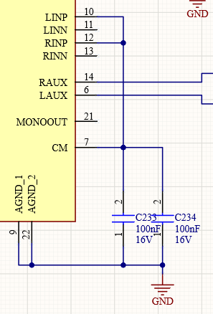
EMC3 Altium Circuit & PCB layout review

Date (start) | 2022-11-22
Author | GKP

Title Page | Empty |  |  |  |  | Date | 13/12/2022
 |  |  |  |  |  | Author | SM
Block diagram page | Empty |  |  |  |  | Responses

Always On Pwr | IC2 Maxim land pattern is a little off, but good enough.
 |  | Pad size 0.35x0.95mm
 |  | Central pad 2.23mm
 |  | Pin-2-pin 3.68mm
 |  | Why 39.2k on SLEEP pin?
 | Q17 land pattern close enough.
 | IC2 any reason two separate voltage dividers are used instead of this?
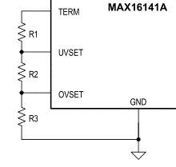

 | D1 | This is the suggested footprint. But there are many alternatives.
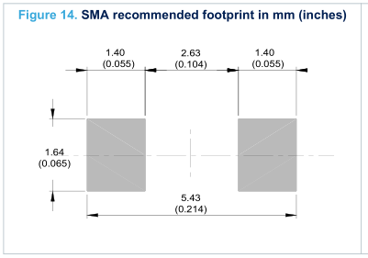

 | D2 | This is the suggested footprint. But there are many alternatives.
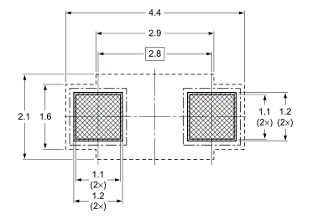

 | J3 | Ignoring the holes instead of slots (this is normal) the footprint is the odd 0.1mm off from this
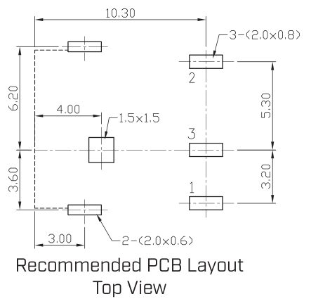

 | U6, LTC3851A | The datasheet says that pin 7 is Ilim. There is no PGOOD pin.
 |  | Footprint doesn't match the datasheet exactly.
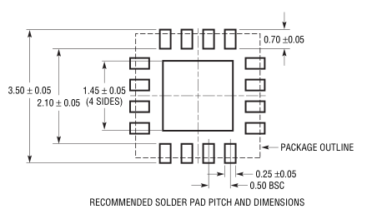

 | Q1 & Q2 | Footprint doesn't exactly match datasheet.
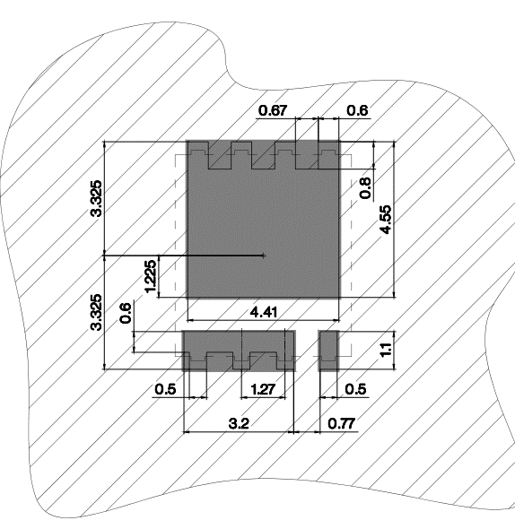

 | IC23 | Don't know why, but the RUN signal (pin 7) doesn't seem to connect to U6 pin 1.
 |  | Footprint?
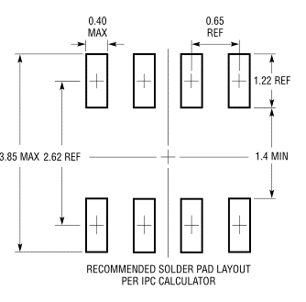

 |  | No junction?
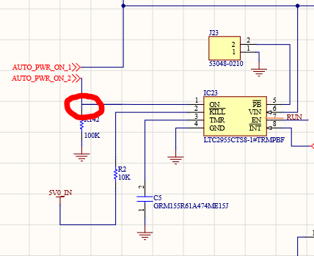

 |  | Signal PWROFF_C2M_B is connected to GND. That can't be right, can it?
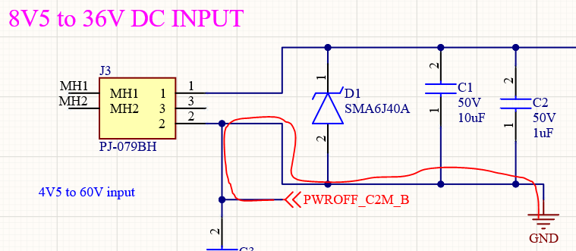

PS Power | C13 | Off grid. Unconnected.
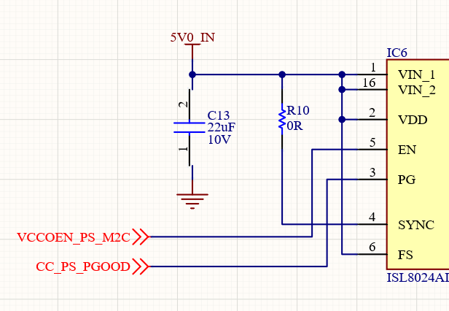

 |  | PG outputs need a pull-up.
 | IC3, 6, 8 | Footprint not as per datasheet.
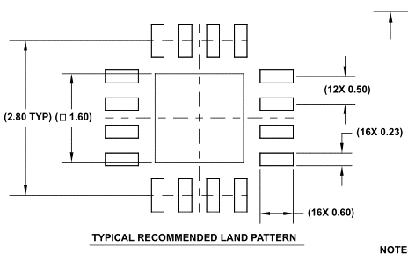

 |  | Optional 4.7pF cap across FB resistor. Add a placeholder but do not fit.
 | U7 | Eth 2.5V regulator. R13 should be 37k5.
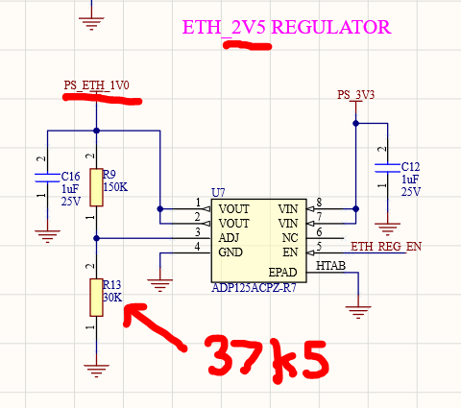

 | IC1 | Max recommended Vcc is 3.6V, not 5V.

PL Power | U10 | Vout wrong name. Should be PS_ETH_2V5.
 |  | R15 should be 37k5.
 | U12 | Vout wrong name. Should be PS_IAS_2V75?
 |  | R23 should be 33k3.
 |  | PG outputs need a pull-up.

SOM240_1 Connector | J1 | What's that? | There's a few little track remnants on the board.

 |  | Several pins are not connected between J1 and U2. Not sure if pins on U2 are off grid, or where the termination point is for the pin.

SOM240_2 Connector | J2 | Several pins are not connected between J2 and Rpi camera connector. I think the signal names are different.

EPROM, RTC, WD, LEDs |  | Where does UTIL_3V3 come from?
 | IC12 | I2C bus not connected. Not sure where it should go.
 |  | A few of the LED driver FETs don't seem to have their gates connected.
 |  | LEDs don't appear to have a pin 1 marker (or cathode/anode/polarity).
 | IC11 | WDI not connected.
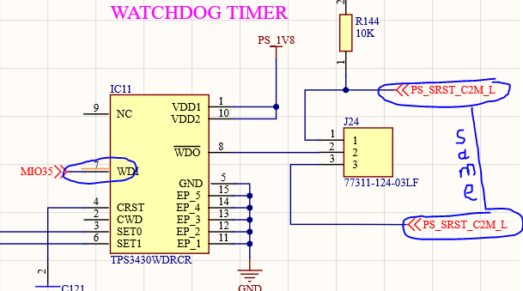

Clock Gen | IC25 | PCB footprint not identical to that in the datasheet, butclose enough.
 |  | Do you need a 100 Ohm termination at the A&B inputs?
 | IC15 | Missing grounds
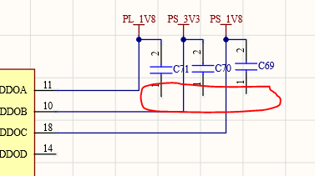

 |  | Is this Si part pre-programmed? What do the P0-4 inputs do?

JTAG UART | J11 | Pin 13 is normally GND. Pin 14 is usually JTG_RST.

Display Port | IC30 | Footprint not as per datasheet.
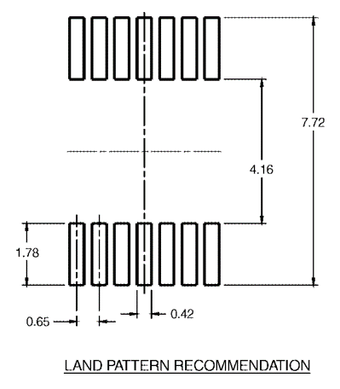

IAS MIPI Camera | J4 | Have you a link to the pinout?
 | U1 | Pinout and footprint checked.
 |  | Several MIPI signals unconnected possibly due to wire not connecting with IC terminal/pin.
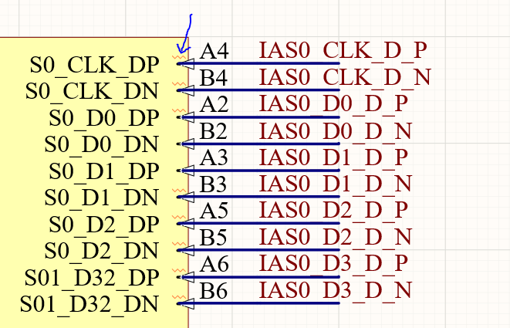

PS-PL Ethernet PHY | IC19 | Pinout checked. Footprint OK.
 |  | I wonder why Microsemi call TX pins inputs, and RX pins outputs. Seems the wrong way round to me.
 |  | Eth clk is shown as:

 |  | But the clk gen is:

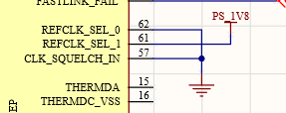
 |  | REFCLK_SEL is:

 |  | But 10 means 50MHz.
 | IC18 | As above.
 | J6 & J9 | I'll assume the footprint is correct as I'm having difficulties downloading data from Harting.

RPi Camera Connectors | IC16 | Pinout not exactly as per datasheet, but close enough
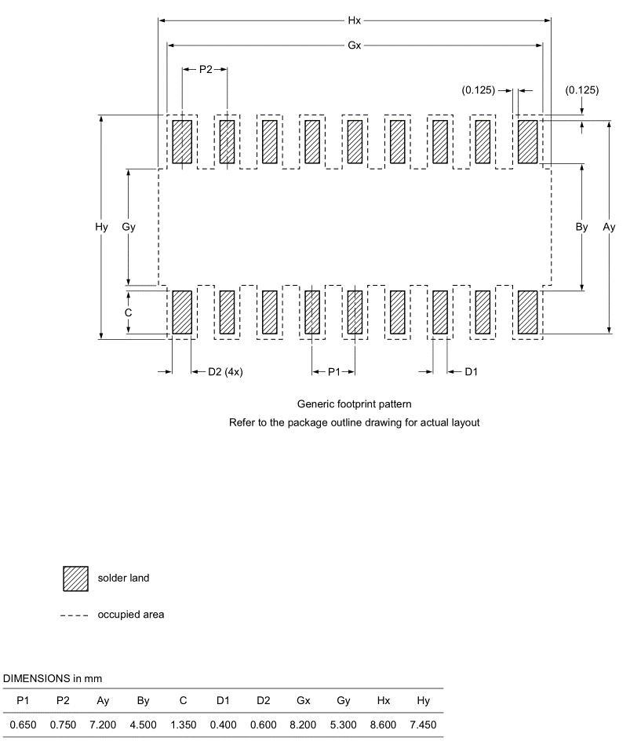

 |  | Circuits not yet finished

 |  | Same net names
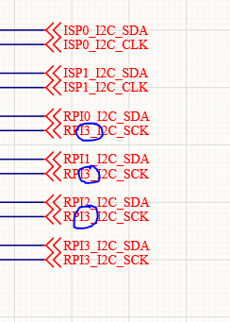

 | J7 etc | A few unconnected pins probably due to net name inconsistencies across sheets.
 |  | Connector has been replaced by 545482272.
 |  | Footprint checked OK.
 |  | Pinout matches what we've used before.
 |  | We've always used capacitors of 10uF and 100nF on the supply pin.
 |  | I seem to recall reading something about the max voltage on pin 18 (XCLK) being 2.8V. But this might be camera specific.
 |  | Might be worth adding a resistor divider for pin 18 though.

SD Card PMOD | J20 | Pinout and footprint checked OK.
 |  | Obviously circuit is not complete
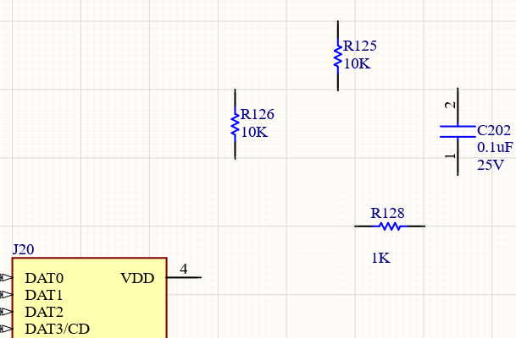

 | IC36 | Recommended pad diameter is 0.23mm not 0.208mm.
 |  | Ensure logic levels are 1.8V
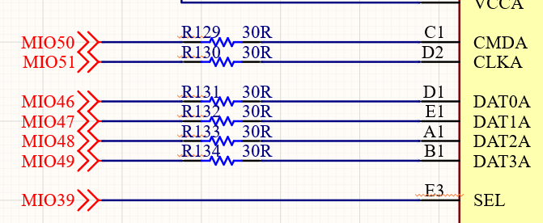

Samtec 30 pin | J17 | Pin numbering and footprint checked OK.
 |  | What does this connector connect to?

SATA Connector | J13 | Molex datasheet suggests rectangular pads for the mounting pins.
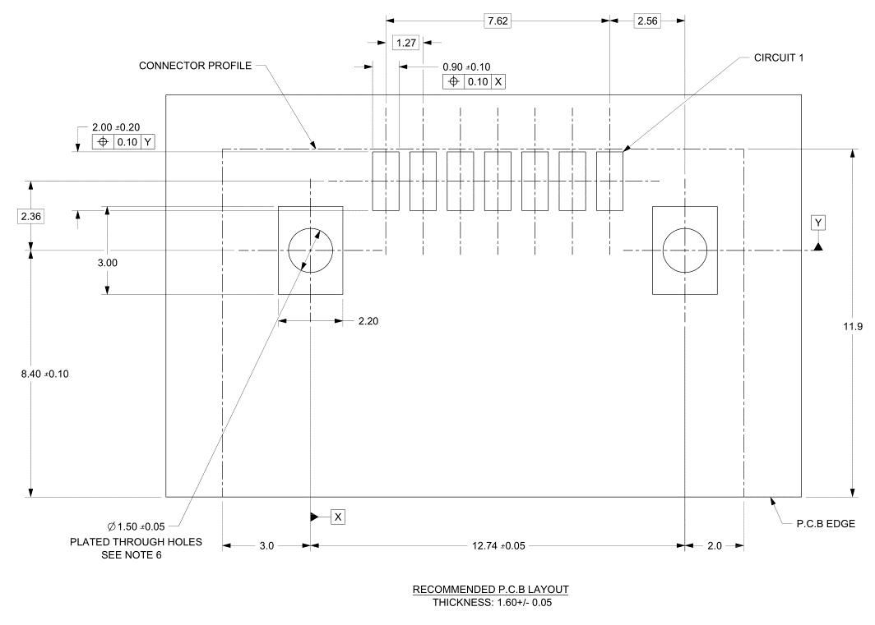

mPCIe | J21 | Footprint checked OK.
 |  | Normally the schematic symbol reflects the footprint which makes the connectivity easier to read.
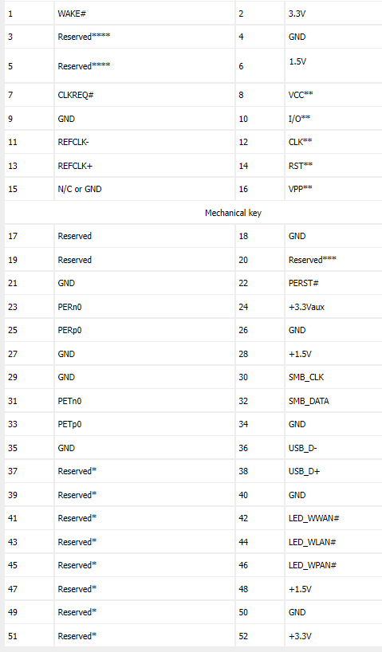

 |  | PCIE_PER P & N pins appear to be swapped.
 | Q21 | Footprint not as per datasheet.
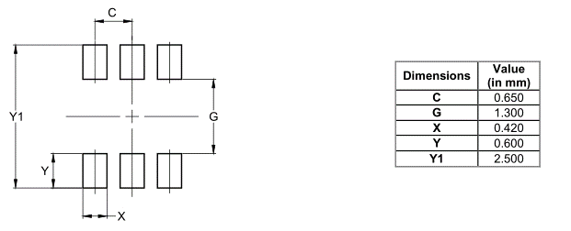

 | D9 | Footprint not as per datasheet.
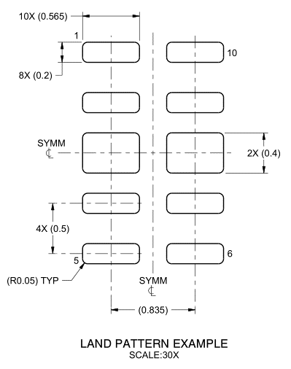

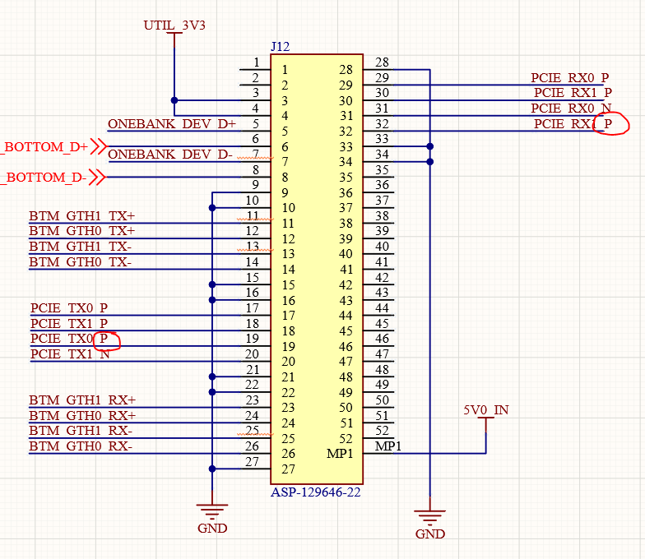
OneBank Connectors | J10 | Footprint checked OK.
 | J12 | Too many Ps. | Footprint checked OK. |  | Easier to read if the schematic symbol matches the physical connector.
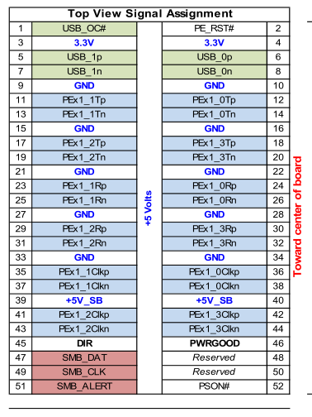

 | IC27 | Footprint not as per datasheet.
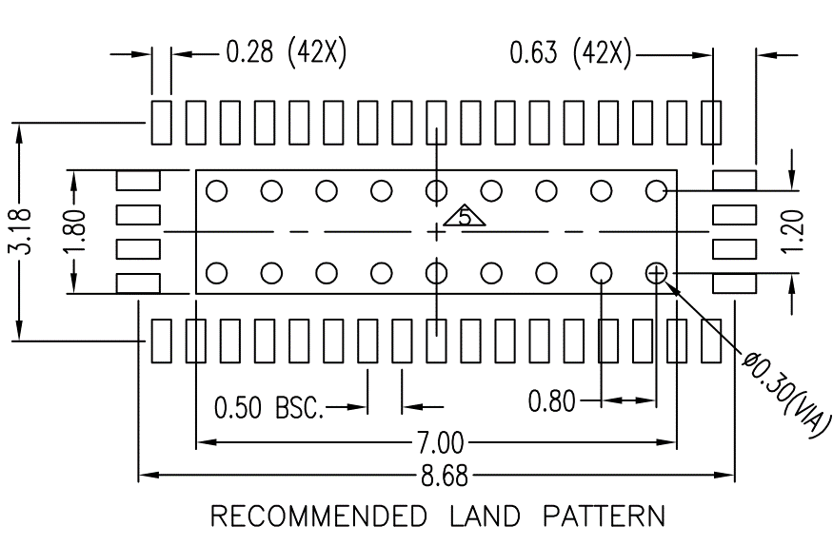

 |  | Don't forget the vias in the central pad.
 | IC28 | Footprint not as per datasheet.
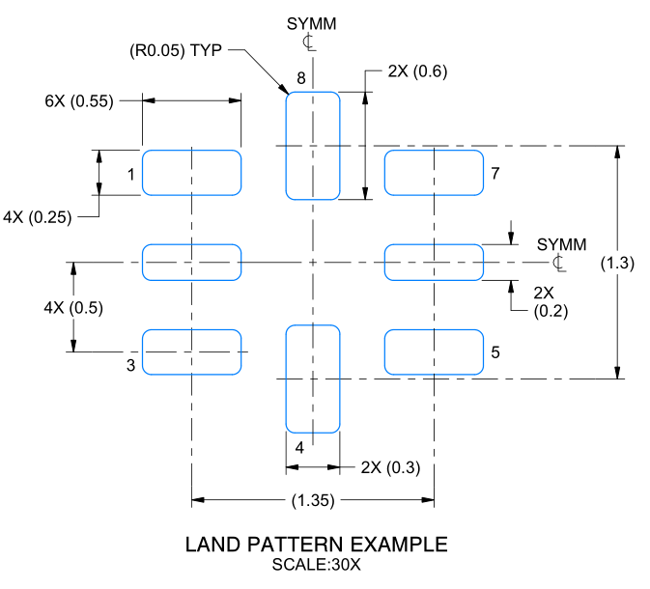

 | IC31 | Pinout not exactly as per datasheet, but close enough
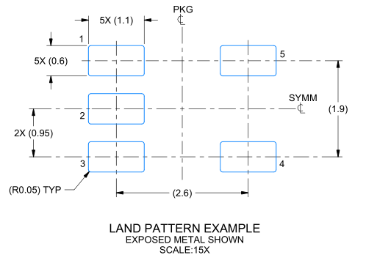

WiFi | U3 | Same signal name
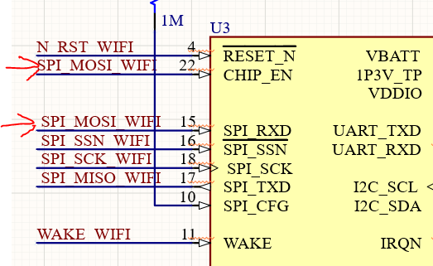

 |  | Pinout and footprint checked OK.

Reset Logic |  | Not connected
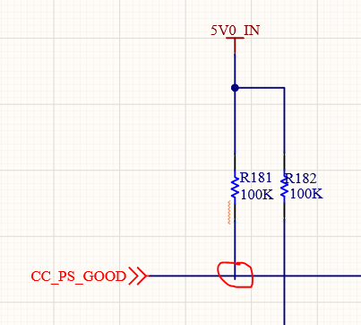

 | IC7 & IC10 | Pinout not exactly as per datasheet, but close enough
 |  | RESET output is open drain for this device version. Needs a pull-up.
 | 74AUP1G09 | Check footprint(s)
 |  | Do the open-drain outputs need pull-ups?
 |  | Plenty of Offsheet ports.
 | IC26 & IC48 | Vcc max is 3.6V not 5V.
 | IC5 | Output it open-drain and (possibly) needs a pull-up to 3.3V. Could power IC26&48 at 3.3V too.
 |  | What a weird little footprint!

Fan Switches | S3 | Footprint checked OK.
 |  | 12V fan?

USB PHY and Connectors | IC22 | Pinout and footprint checked OK.
 |  | Check TX/RX connection. Your cct has TX through caps to BP/BN. Pericom shows TX through caps to AP/AN.
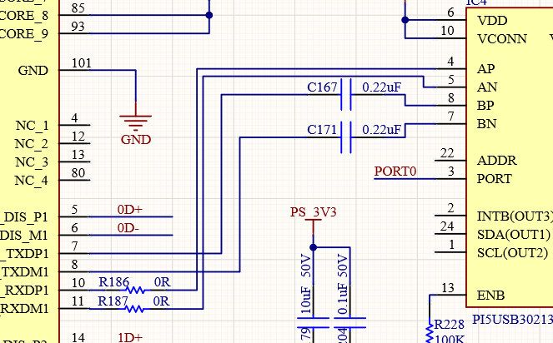
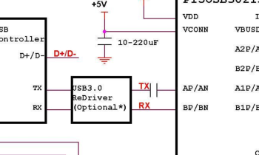

 | J18 | The wiggly red line is showing that pin A9 is not connected elsewhere. The wire is ok as this has an appropriate net name
 |  | but the VBUS1 label is not attached to the wire. I've not seen this if the schematic grid is set to 100mil (0.1").

 |  | Pinout and footprint checked OK.
 |  | Personally, I'd use the sch symbol on the right. Easier to see the interfaces.
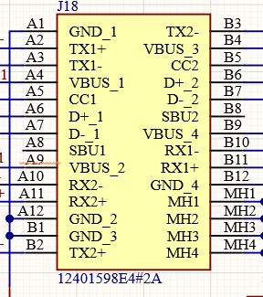
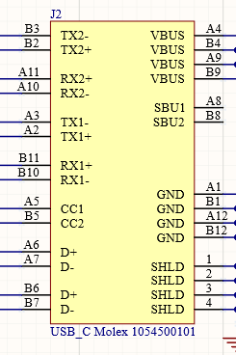

 |  | No ESD devices on the USB pins.
 | IC34 | Pinout and footprint checked OK.
 | U5 | Don't know why, but the footprint isn't showing properly
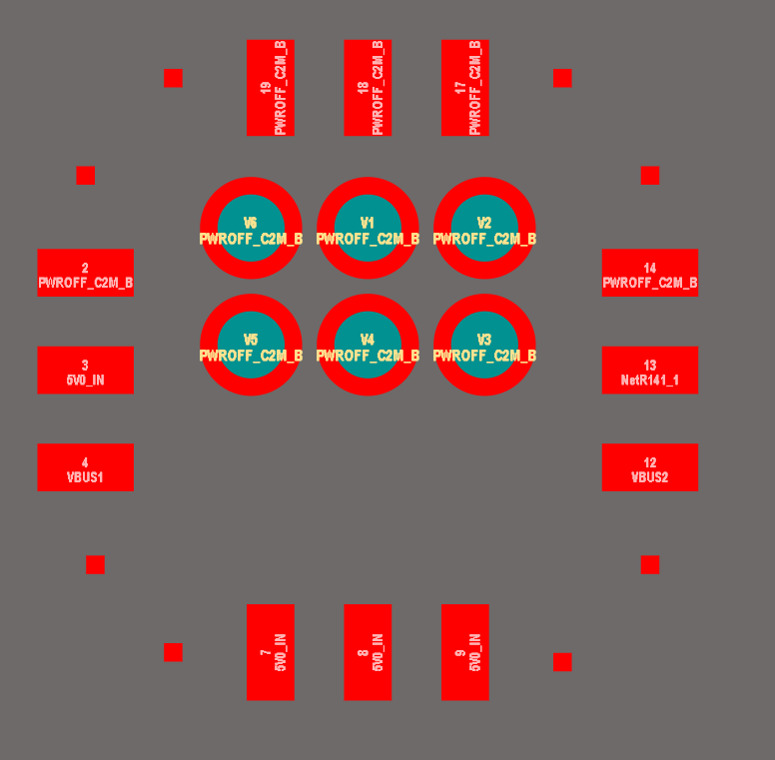

 |  | Active low power enable, maximum current limit.

Audio CODEC | IC20 | Pinout OK. Footprint looks OK but no suggested footprint in the datasheet.
 |  | Datasheet says 10uF to 47uF cap from CM to GND. |  | Is LINP and RINP supposed to be conencted to CM? I guess it biases to AVDD/2.

